CT - HBQ
HBQ - Less divided |  |  |  |  |  |  | HBQ - More divided |  |  |  |  |  |  |  |  |  |  |  | HBQ-DCP (less divided) |  |  |  |  |  |  |  |  |  |  |  | HBQ-DCP (maior divisão) |  |  |  |  |  |  |  |  |  |  |  |  |  |  |  |  |  |  | HBQ-H |  |  |  |  |  |  |  |  |  |  |  |  |  | HBQ(keto) - More divided
State (Sx) | E(eV) | f | CTAB | CTBA | LEA | LEB | State (Sx) | E(eV) | f | CTAB | CTAC | CTBA | CTCA | CTBC | CTCB | LEA | LEB | LEC | State (Sx) | E(eV) | f | CTAB | CTAC | CTBA | CTCA | CTBC | CTCB | LEA | LEB | LEC | State (Sx) | E(eV) | f | CTAB | CTAC | CTAD | CTBA | CTBC | CTBD | CTCA | CTCB | CTCD | CTDA | CTDB | CTDC | LEA | LEB | LEC | LED | State (Sx) | E(eV) | f | CTAB | CTAC | CTBA | CTCA | CTBC | CTCB | LEA | LEB | LEC |  |  | State (Sx) | E(eV) | f | CTAB | CTAC | CTBA | CTCA | CTBC | CTCB | LEA | LEB | LEC
S1 | 3.89 | 0.207 | 0.00556 | 0.03522 | 0.00055 | 0.95867 | S1 | 3.89 | 0.207 | 0.00371 | 0.00186 | 0.01888 | 0.01634 | 0.13283 | 0.35619 | 0.00055 | 0.3385 | 0.13115 | S1 | 2.947 | 0.148 | 0.00395 | 0.00023 | 0.06649 | 0.00739 | 0.00287 | 0.0374 | 0.0004 | 0.88064 | 0.00062 | S1 | 2.947 | 0.148 | 0.00621 | 0.00131 | 0.00028 | 0.02527 | 0.03257 | 0.00216 | 0.08307 | 0.6492 | 0.00538 | 0.00456 | 0.03464 | 0.0059 | 0.00102 | 0.19592 | 0.10178 | 0.00062 | S1 | 3.355 | 0.236 | 0.00833 | 0.00185 | 0.01655 | 0.04927 | 0.04272 | 0.56886 | 0.00098 | 0.20051 | 0.11094 |  |  | S1 | 2.693 | 0.401 | 0.00822 | 0.0021 | 0.07067 | 0.1359 | 0.05394 | 0.50617 | 0.00217 | 0.28245 | 0.09452
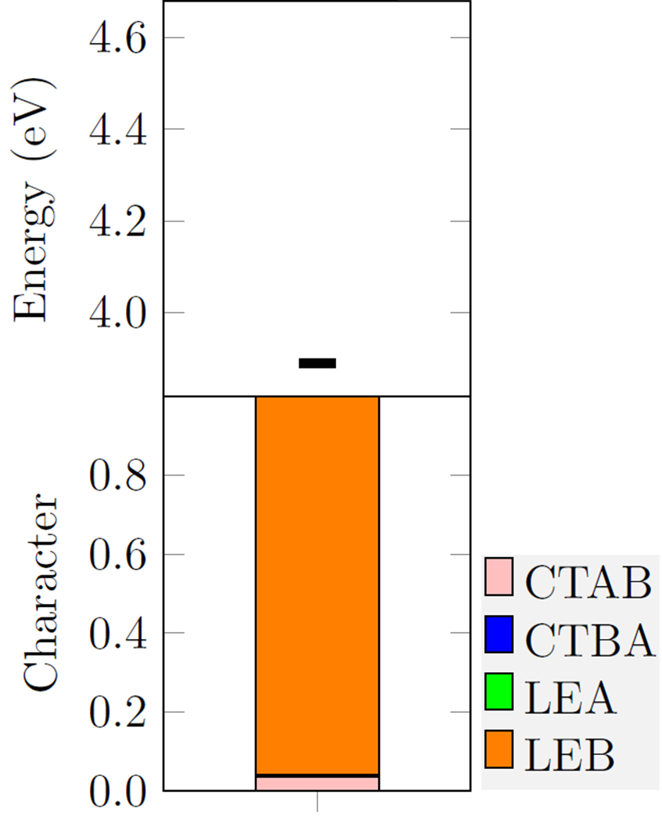
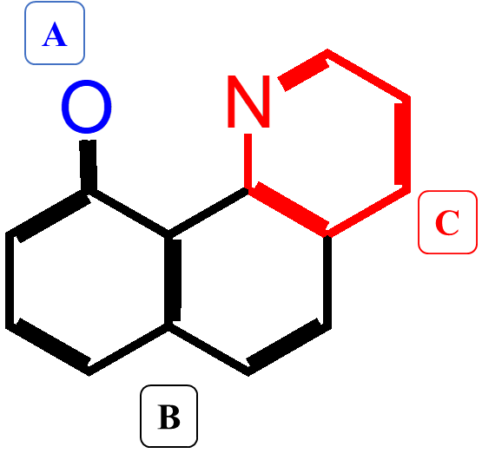

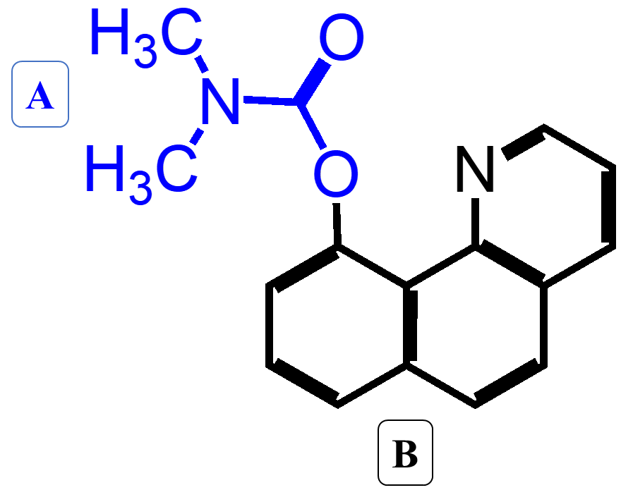
C
A
C
D
 |  |  |  |  |  |  |  |  |  |  |  |  |  |  |  |  |  |  |  |  |  |  |  |  |  |  |  |  |  |  |  |  |  |  |  |  |  |  |  |  |  |  |  |  |  |  |  |  |  |  |  |  |  |  |  |  |  |  |  | HBQ-H |  | HBQ
 |  |  |  |  |  |  |  |  |  |  |  |  |  |  |  |  |  |  |  |  |  |  |  |  |  |  |  |  |  |  |  |  |  |  |  |  |  |  |  |  |  |  |  |  |  |  |  |  |  |  |  |  |  |  |  |  |  |  |  | CTCB | 0.56886 | CTCB | 0.35619
 |  |  |  |  |  |  |  |  |  |  |  |  |  |  |  |  |  |  |  |  |  |  |  |  |  |  |  |  |  |  |  |  |  |  |  |  |  |  |  |  |  |  |  |  |  |  |  |  |  |  |  |  |  |  |  |  |  |  |  | LEB | 0.20051 | LEB | 0.33850
A
 |  |  |  |  |  |  |  |  |  |  |  |  |  |  |  |  |  |  |  |  |  |  |  |  |  |  |  |  |  |  |  |  |  |  |  |  |  |  |  |  |  |  |  |  |  |  |  |  |  |  |  |  |  |  |  |  |  |  |  | LEC | 0.11094 | CTBC | 0.13283
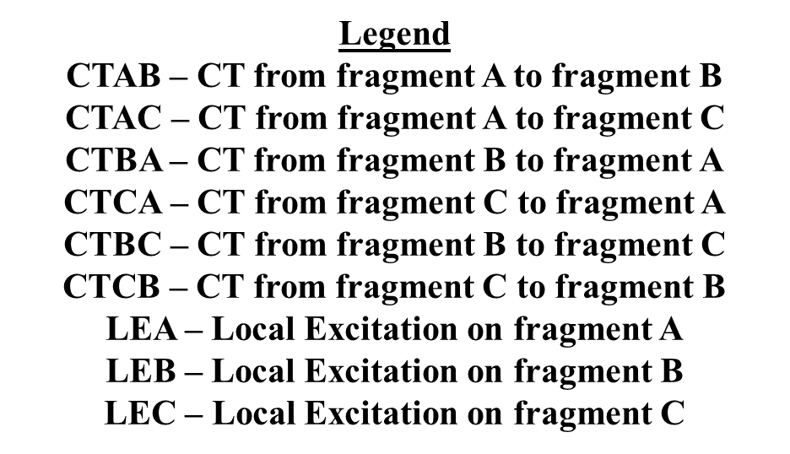
 |  |  |  |  |  |  |  |  |  |  |  |  |  |  |  |  |  |  |  |  |  |  |  |  |  |  |  |  |  |  |  |  |  |  |  |  |  |  |  |  |  |  |  |  |  |  |  |  |  |  |  |  |  |  |  |  |  |  |  | CTCA | 0.04927 | LEC | 0.13115
 |  |  |  |  |  |  |  |  |  |  |  |  |  |  |  |  |  |  |  |  |  |  |  |  |  |  |  |  |  |  |  |  |  |  |  |  |  |  |  |  |  |  |  |  |  |  |  |  |  |  |  |  |  |  |  |  |  |  |  | CTBC | 0.04272 | CTBA | 0.01888
A
 |  |  |  |  |  |  |  |  |  |  |  |  |  |  |  |  |  |  |  |  |  |  |  |  |  |  |  |  |  |  |  |  |  |  |  |  |  |  |  |  |  |  |  |  |  |  |  |  |  |  |  |  |  |  |  |  |  |  |  | CTBA | 0.01655 | CTCA | 0.01634
 |  |  |  |  |  |  |  |  |  |  |  |  |  |  |  |  |  |  |  |  |  |  |  |  |  |  |  |  |  |  |  |  |  |  |  |  |  |  |  |  |  |  |  |  |  |  |  |  |  |  |  |  |  |  |  |  |  |  |  | CTAB | 0.00833 | CTAB | 0.00371
 |  |  |  |  |  |  |  |  |  |  |  |  |  |  |  |  |  |  |  |  |  |  |  |  |  |  |  |  |  |  |  |  |  |  |  |  |  |  |  |  |  |  |  |  |  |  |  |  |  |  |  |  |  |  |  |  |  |  |  | CTAC | 0.00185 | CTAC | 0.00186
 |  |  |  |  |  |  |  |  |  |  |  |  |  |  |  |  |  |  |  |  |  |  |  |  |  |  |  |  |  |  |  |  |  |  |  |  |  |  |  |  |  |  |  |  |  |  |  |  |  |  |  |  |  |  |  |  |  |  |  | LEA | 0.00098 | LEA | 0.00055
B
C
B

A
C
B
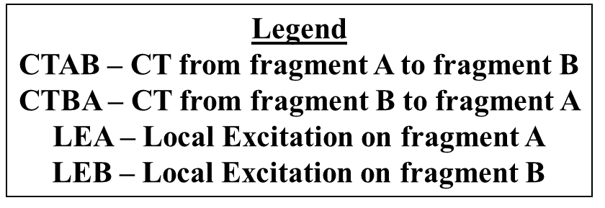

B

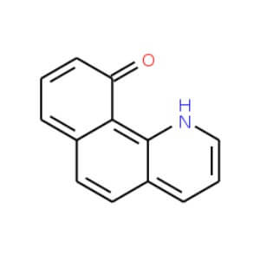
10-hydroxybenzo[h]quinoline
HBQ
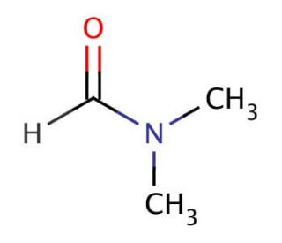
N,N-Dimethylformamide
(DMF)

CT - NMU
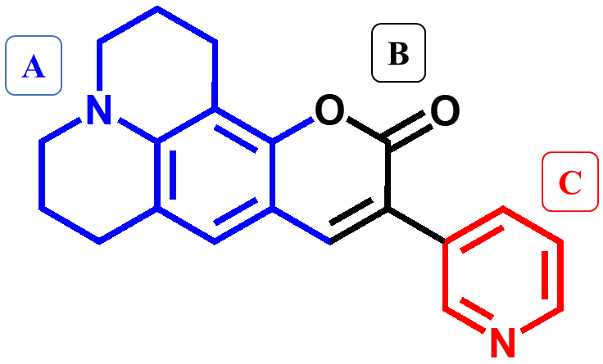
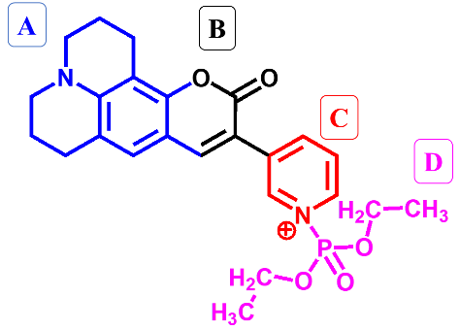
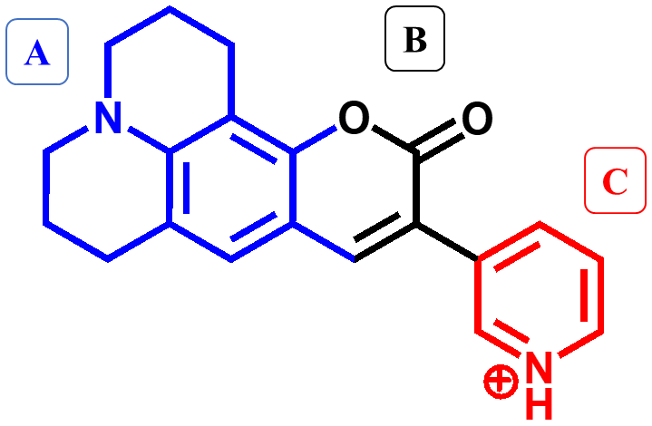
NMU-1 |  |  |  |  |  |  |  |  |  |  |  | NMU-DCP |  |  |  |  |  |  |  |  |  |  |  |  |  |  |  |  |  |  | NMU-H
State (Sx) | E(eV) | f | CTAB | CTAC | CTBA | CTCA | CTBC | CTCB | LEA | LEB | LEC | State (Sx) | E(eV) | f | CTAB | CTAC | CTAD | CTBA | CTBC | CTBD | CTCA | CTCB | CTCD | CTDA- | CTDB | CTDC - | LEA | LEB | LEC | LED | State (Sx) | E(eV) | f | CTAB | CTAC | CTBA | CTCA | CTBC | CTCB | LEA | LEB | LEC
S1 | 3.007 | 1.266 | 0.057630 | 0.023440 | 0.426370 | 0.095550 | 0.027990 | 0.026670 | 0.244700 | 0.087990 | 0.009660 | S1 | 2.288 | 0.084 | 0.0056 | 0.0018 | 0.0002 | 0.0229 | 0.0021 | 0.0003 | 0.6656 | 0.1743 | 0.0008 | 0.0308 | 0.0080 | 0.0028 | 0.0201 | 0.0063 | 0.0582 | 0.0001 | S1 | 2.536 | 0.253 | 0.0257 | 0.0095 | 0.1133 | 0.5397 | 0.0098 | 0.1187 | 0.1158 | 0.0264 | 0.0412

